Flow
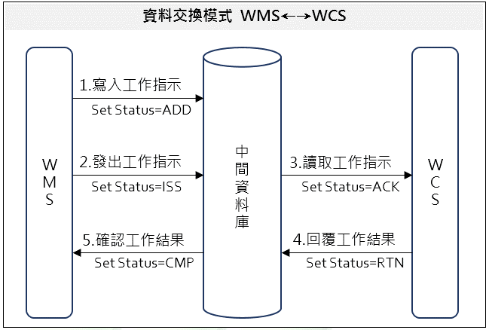

Location
UL特殊储位 |  | UL一般储位编码逻辑
储位编号 | 说明 | 码数 | 说明
U00 | UL投入口 | 1 | "U"
U99 | UL排出口（空板） | 2 | 货架排"A"～"V"
U01 | UL工作站01 | 3～4 | 列，由前往后 "01"～"99"
U02 | UL工作站02 | 5～6 | 层，由低往高 "01"～"99"
U03 | UL工作站03
U04 | UL工作站04
U05 | UL工作站05
U06 | UL工作站06
U07 | UL工作站07
U08 | UL工作站08
U09 | UL工作站09

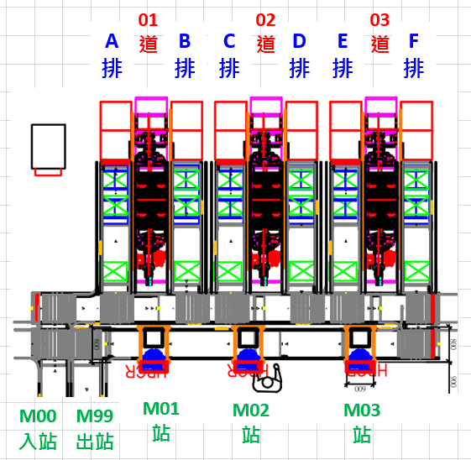
ML特殊储位 |  | ML一般储位编码逻辑
储位编号 | 说明 | 码数 | 说明
M00 | ML投入口 | 1 | "M"
M99 | ML排出口（空盒） | 2 | 货架排"A"～"F"
M01 | ML工作站01 | 3～4 | 列，由前往后 "01"～"99"
M02 | ML工作站02 | 5～6 | 层，由低往高 "01"～"99"
M03 | ML工作站03

